Q1
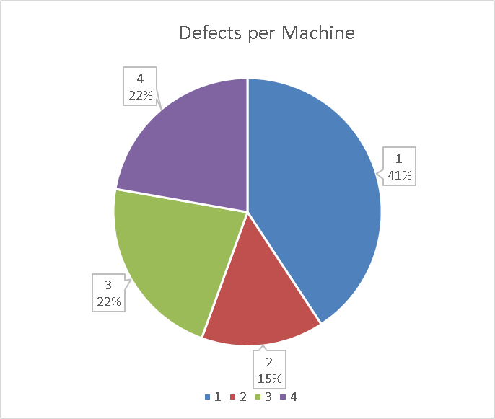
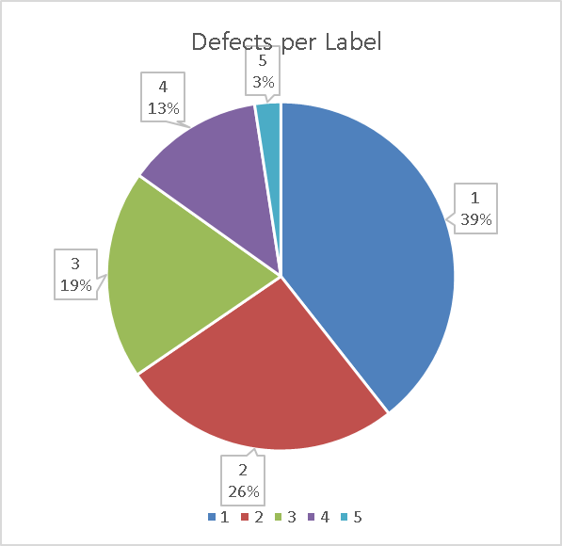
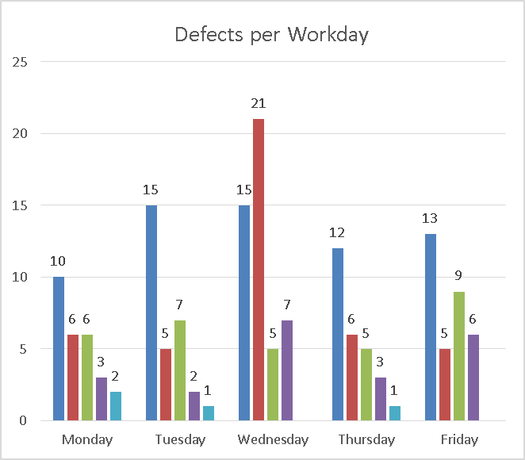
Count of Defect | Column Labels
 | Monday |  |  |  |  | Monday Total | Tuesday |  |  |  |  | Tuesday Total | Wednesday |  |  |  | Wednesday Total | Thursday |  |  |  |  | Thursday Total | Friday |  |  |  | Friday Total | Grand Total
Row Labels | 1 | 2 | 3 | 4 | 5 |  | 1 | 2 | 3 | 4 | 5 |  | 1 | 2 | 3 | 4 |  | 1 | 2 | 3 | 4 | 5 |  | 1 | 2 | 3 | 4
A | 6 | 3 | 3 | 2 | 1 | 15 | 8 | 3 | 5 | 1 | 1 | 18 | 9 | 12 | 2 | 5 | 28 | 6 | 4 | 4 | 1 |  | 15 | 7 | 3 | 5 | 4 | 19 | 95
1 | 4 | 2 | 2 | 2 | 1 | 11 | 5 | 1 | 3 | 1 |  | 10 | 6 | 7 |  | 4 | 17 | 4 | 3 | 3 |  |  | 10 | 5 | 1 | 4 | 3 | 13 | 61
2 | 2 | 1 | 1 |  |  | 4 | 3 | 2 | 2 |  | 1 | 8 | 3 | 5 | 2 | 1 | 11 | 2 | 1 | 1 | 1 |  | 5 | 2 | 2 | 1 | 1 | 6 | 34
B | 4 | 3 | 3 | 1 | 1 | 12 | 7 | 2 | 2 | 1 |  | 12 | 6 | 9 | 3 | 2 | 20 | 6 | 2 | 1 | 2 | 1 | 12 | 6 | 2 | 4 | 2 | 14 | 70
3 | 2 | 2 | 1 | 1 |  | 6 | 4 | 1 | 1 |  |  | 6 | 3 | 5 | 1 | 1 | 10 | 3 | 1 | 1 | 1 | 1 | 7 | 4 | 1 | 2 | 1 | 8 | 37
4 | 2 | 1 | 2 |  | 1 | 6 | 3 | 1 | 1 | 1 |  | 6 | 3 | 4 | 2 | 1 | 10 | 3 | 1 |  | 1 |  | 5 | 2 | 1 | 2 | 1 | 6 | 33
Grand Total | 10 | 6 | 6 | 3 | 2 | 27 | 15 | 5 | 7 | 2 | 1 | 30 | 15 | 21 | 5 | 7 | 48 | 12 | 6 | 5 | 3 | 1 | 27 | 13 | 5 | 9 | 6 | 33 | 165

Cantoso Ltd uses 2 operators and 4 machines. According the the records, total of 165 defects are detected every week. Average defect amount per machine runs at 35 defects; however, machine 1 is creating far more defects than any other machine. According to the bar chart machine 1 accounts for 41% of all defects created while other machines are significantly lower. While operator A is operating machine 1 and 2, it seems that the issue is with the machine rather than operator as his defect output on second machine is within the norm. If we look at the days where most defects occur, Wednesday is the day where we see the defects spike up to 48 above average of 29 defects per day. This is due to significant increase of defect labeled with number 2. Throughout the week the defect labeled 1 is the predominant defect amounting to 39% of all defects; however due to Wednesday spike of defects labeled as 2, that label comes as second most defective label at 26%. The recommendation is to address the issue with machine 1 immiedietly, as it needs calibration due to unusually high output of defects. Additionally, we recommend to focus on detection why defect labeled 1 occurs more than any other and take into consideration on how to improve the process to lower that defect's impact on production. Lastly, we recommend additional quality check of machines on Wednesday due to the spike that occured mid-week due to defect labeled 2.

